Tax Rates
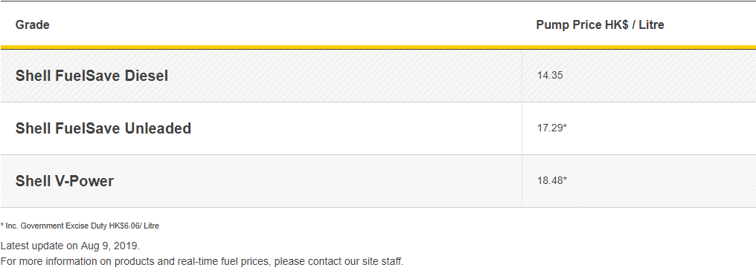
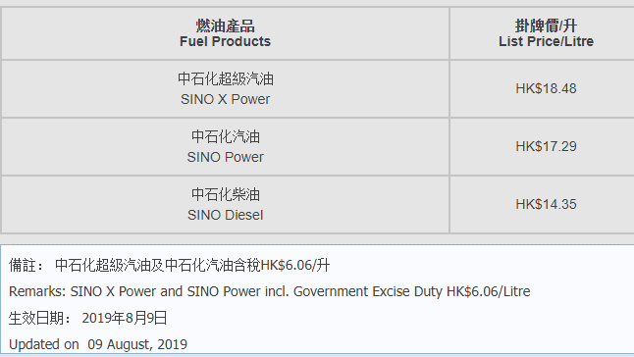
rate= | tax/(end user price-tax)

 | HK Tax | avg | Sinopeck |  | Rate
Aircraft spirit | $6.51 |  | $22.60 |  | 28.81%
Motor spirit (leaded petrol) | $6.82
Motor spirit (unleaded petrol) | $6.06 | 16.856666667 | $17.29 |  | 35.05%
Light diesel oil | $2.89 | 14.15 | $14.35 | marine | 20.14%
Ultra Low Sulphur diesel | $2.89 |  | $20.70 |  | 13.96%
Euro V diesel | $0.00 |  | $21.85 |  | 0.00%

shell |  |  | Caltex | Sinopeck
Shell FuelSave Diesel | 13.95 |  | 14.15 | 14.35
Shell FuelSave Unleaded* | 16.54 |  | 16.74 | 17.29
Shell V-Power* | 17.73 |  | 17.93 | 18.48
* Inc. Government Excise Duty HK$6.06/ Litre

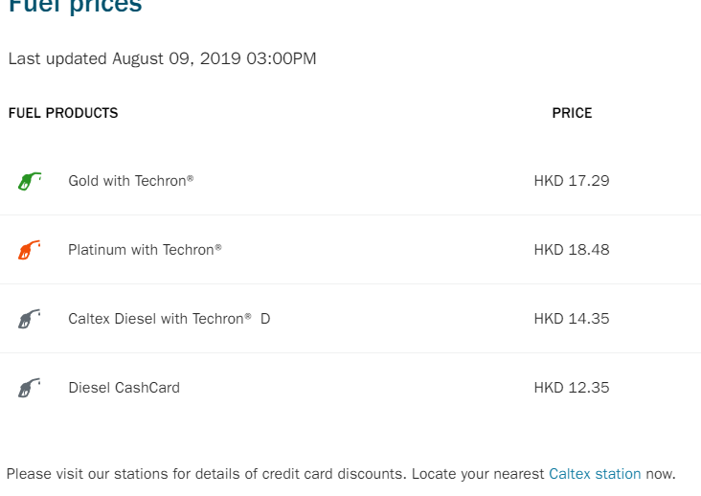
Avg Sales Tax Rate
0

